Sheet1
Defect Report |  | Defect Report |  | Defect Report |  | Defect Report |  | Defect Report |  | Defect Report |  | Defect Report |  | Defect Report |  | Defect Report |  | Defect Report |  | Defect Report |  | Defect Report |  | Defect Report |  | Defect Report |  | Defect Report |  | Defect Report |  | Defect Report
Version | V.3 | Version | V.3 | Version | V.3 | Version | V.3 | Version | V.3 | Version | V.3 | Version | V.3 | Version | V.3 | Version | V.3 | Version | V.3 | Version | V.3 | Version | V.3 | Version | V.3 | Version | V.3 | Version | V.3 | Version | V.3 | Version | V.3
Test Scenario | Customer (Balance Enquiry) | Test Scenario | Customer (Balance Enquiry) | Test Scenario | Customer (Funds Transfer) | Test Scenario | Customer (Funds Transfer) | Test Scenario | Customer (Funds Transfer) | Test Scenario | Customer (Funds Transfer) | Test Scenario | Customer (Funds Transfer) | Test Scenario | Customer (Funds Transfer) | Test Scenario | Customer (Mini Statement) | Test Scenario | Customer (Mini Statement) | Test Scenario | Customer (Customized Statement) | Test Scenario | Customer (Customized Statement) | Test Scenario | Customer (Customized Statement) | Test Scenario | Customer (Customized Statement) | Test Scenario | Customer (Customized Statement) | Test Scenario | Customer (Customized Statement) | Test Scenario | Customer (Changer Password)
ID | 1 | ID | 3 | ID | 1 | ID | 2 | ID | 3 | ID | 5 | ID | 9 | ID | 10 | ID | 1 | ID | 3 | ID | 1 | ID | 2 | ID | 3 | ID | 4 | ID | 6 | ID | 8 | ID | 1
Test Case | the first chracter in the"Account No" Field can not be space | Test Case | when click on submit the system show the Balannce | Test Case | the first chracter in the"Payers Account No" Field can not be space | Test Case | the first chracter in the"Payees Account No" Field can not be space | Test Case | the first chracter in the"Amount" Field can not be space | Test Case | "Payers Account No" and "Payees Account No" can not be the same | Test Case | the system must not show the funds transfer page when the page is reloaded | Test Case | the system must not show the funds transfer in the customized statement | Test Case | the first chracter in the"Account No" Field can not be space | Test Case | when click on submit the system show Last 5 Transaction of his account | Test Case | the first chracter in the"Account No" Field can not be space | Test Case | "From Date" Must Less than "To Date" | Test Case | the first chracter in the"Minimum Transaction Value" Field can not be space | Test Case | the first chracter in the"Number of Transaction" Field can not be space | Test Case | when click on submit the system show a form of the Customized statement | Test Case | the customer can see only customized statement for his account | Test Case | The old Password Must Exist in the data
Test Steps | 1- keep the first character in the "Account No" field be a space 2- Move to the next Field | Test Steps | 1-Enter Account No correctly 2-Click on submit | Test Steps | 1- keep the first character in the "Payers Account No" field be a space 2- Move to the next Field | Test Steps | 1- keep the first character in the "Payees Account No" field be a space 2- Move to the next Field | Test Steps | 1- keep the first character in the "Amount" field be a space 2- Move to the next Field | Test Steps | 1-Enter the "Payers Account No" and "The payees Account No" with the same data 2- fill other fields correctly 3-click on submit | Test Steps | 1-Enter all fields correctly 2-Click on submit 3-reload the page | Test Steps | 1-go to customized statement page 2-fill all the required fields 3-Click on submit | Test Steps | 1- keep the first character in the "Account No" field be a space 2- Move to the next Field | Test Steps | 1-Enter Account No correctly 2-Click on submit | Test Steps | 1- keep the first character in the "Account No" field be a space 2- Move to the next Field | Test Steps | 1-Enter from date greater than to date 2- enter other fields corectly 3-Click on submit | Test Steps | 1- keep the first character in the "Minimum Transaction Value" field be a space 2- Move to the next Field | Test Steps | 1- keep the first character in the "Number of Transaction" field be a space 2- Move to the next Field | Test Steps | 1-Enter Account No correctly 2-Click on submit | Test Steps | 1-Enter wrong account number which is not associated with customer 2-Click on submit | Test Steps | 1-Enter an invalid old Password 2-Click on submit
Expected Result | the system show an error that (the first character in "Account No" field can not be space) | Expected Result | the system show aform of the Balance | Expected Result | the system show an error that (the first character in "Payers Account No" field can not be space) | Expected Result | the system show an error that (the first character in "Payees Account No" field can not be space) | Expected Result | the system show an error that (the first character in "Amount" field can not be space) | Expected Result | the system show an error that ("Payers Account No" and "Payees Account No" can not be the same) | Expected Result | Page should redirect to fund transfer page) | Expected Result | the funds transfer show in the customized statement | Expected Result | the system show an error that (the first character in "Account No" field can not be space) | Expected Result | the system show Last 5 Transaction of his account | Expected Result | the system show an error that (the first character in "Account No" field can not be space) | Expected Result | the system show an error that ("From Date" Must Less than "To Date") | Expected Result | the system show an error that (the first character in "Minimum Transaction Value" field can not be space) | Expected Result | the system show an error that (the first character in "Number of Transactiont" field can not be space) | Expected Result | the system show aform of the Customized statement | Expected Result | the system show an error that (You are not authorize to see the customized statement of this account) | Expected Result | the system show an error that (old Password does not exist)
Actual Result | the system don't show any error | Actual Result | Connection Error | Actual Result | the system don't show any error | Actual Result | the system don't show any error | Actual Result | the system don't show any error | Actual Result | the system don't show any error | Actual Result | the system show the form of funds are transferred | Actual Result | Connection Error | Actual Result | the system don't show any error | Actual Result | Connection Error | Actual Result | the system don't show any error | Actual Result | the system don't show any error | Actual Result | the system don't show any error | Actual Result | the system don't show any error | Actual Result | Connection Error | Actual Result | Connection Error | Actual Result | Connection Error
vv
Screen Shoot / video |  | Screen Shoot / video | 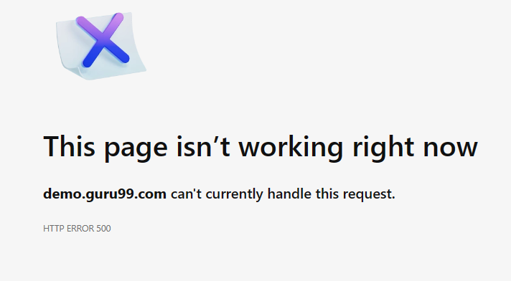 | Screen Shoot / video | 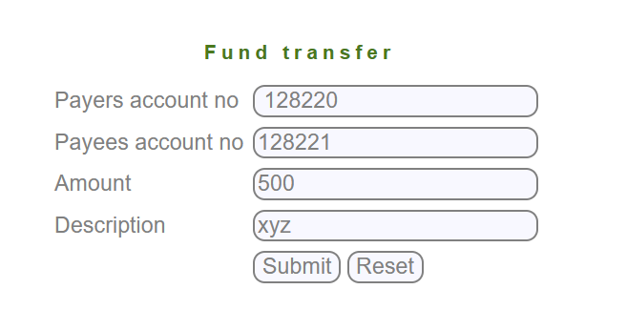 | Screen Shoot / video | 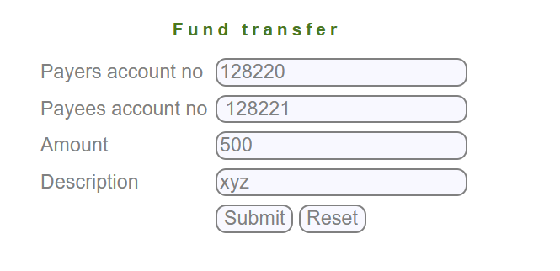 | Screen Shoot / video | 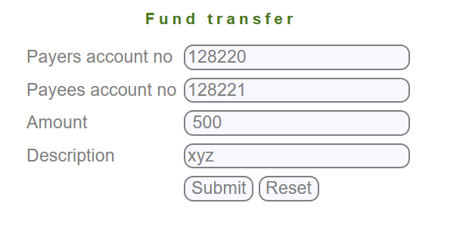 | Screen Shoot / video | 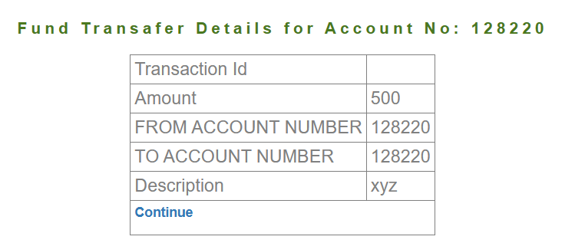 | Screen Shoot / video | 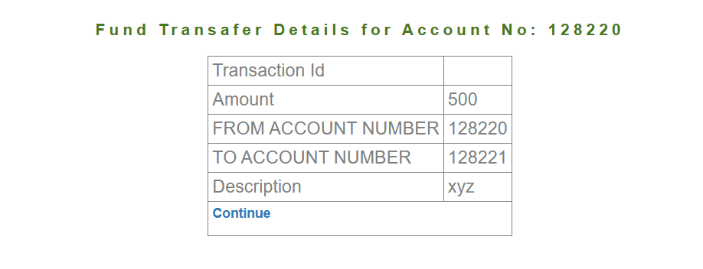 | Screen Shoot / video |  | Screen Shoot / video |  | Screen Shoot / video |  | Screen Shoot / video | 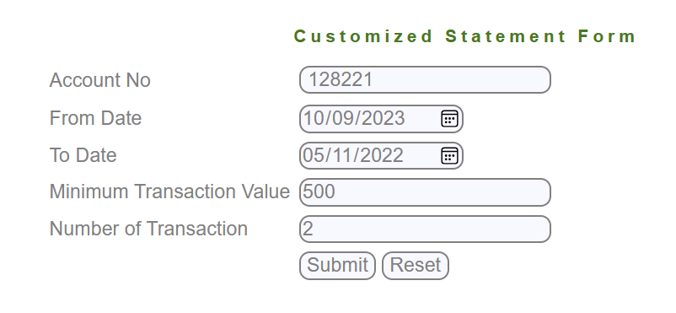 | Screen Shoot / video | 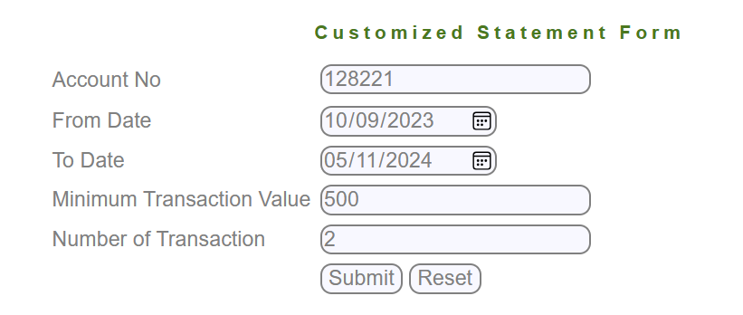 | Screen Shoot / video | 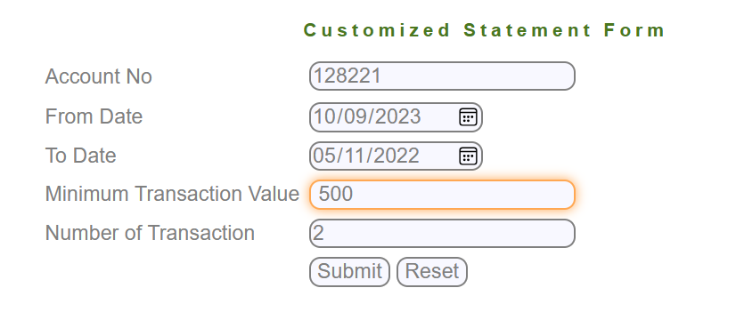 | Screen Shoot / video | 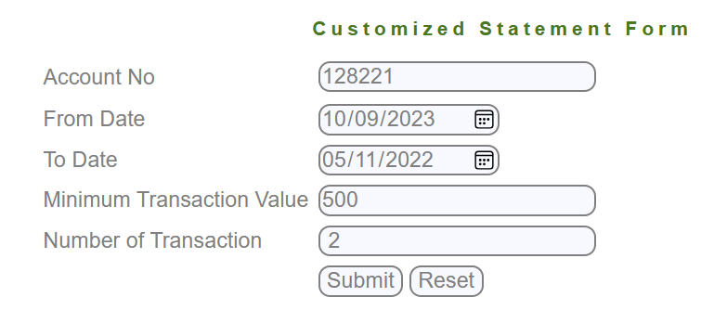 | Screen Shoot / video |  | Screen Shoot / video |  | Screen Shoot / video
Piriority | Medium | Piriority | High | Piriority | Medium | Piriority | Medium | Piriority | Medium | Piriority | Medium | Piriority | High | Piriority | High | Piriority | Medium | Piriority | High | Piriority | Medium | Piriority | High | Piriority | Medium | Piriority | Medium | Piriority | High | Piriority | High | Piriority | High

